Sheet1
 |  |  |  |  |  |  | S.No. 10240965

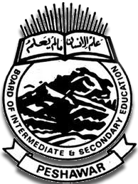
 | BOARD OF INTERMEDIATE & SECONDAARY EDUCATION PESHAWAR

 |  | KHYBER PAKHTUNKHWA (PAKISTAN) |  |  |  |  | 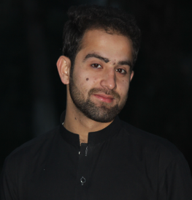

 |  | PROVISIONAL & DETAILED MARKS CERTIFICATE

 |  | Higher Secondary School Certificate Examination

Roll No: 8499

 |  | INTERMEDIATE (ANNUAL) EXAMINATION, 2017
 |  |  | PRE-ENGINEERING (PART-2)

Muhammad Sulaiman Son / Daughter Rehmat Ullah
of HIMS DEGREE COLLEGE FAQIR ABAD PESHAWAR
has secured the marks shown against each subject in the HSSC Examination held in the month of
JUNE, 2016 as Regular student

Subjects |  | Marks | Marks obtained
 |  |  | Part-1 |  | Part-2 |  | Total
 |  |  | Theory | Pract | Theory | Pract
English |  | 200 | 79 | _ | 81 | _ | 160

Urdu |  | 200 | 81 | _ | 92 | _ | 173

Islamic Education |  | 50 | 45 | _ | _ | _ | 45

Pakistan Studies |  | 50 | _ | _ | 47 | _ | 47

Physics |  | 200 | 70 | 15 | 75 | 15 | 175

Chemistry |  | 200 | 71 | 14 | 79 | 15 | 179

Biology |  | 200 | 65 | 15 | 80 | 15 | 175

 | Total : | 1100

